TC-01
Bug ID: TC-01
Overview | Bug Name (Title) | Some players pictures didn’t appear
 | Bug Reporter | Muhammed Bakr
 | Date/Submitted | 16/2/2024
Prioritization | Bug Severity | Blocker | Critical | Major | Normal | Minor | Trivial
 |  | FALSE | FALSE | TRUE | FALSE | TRUE | FALSE
 | Bug Prioritity | Top | High | Medium | Low | None
 |  | TRUE | FALSE | FALSE | FALSE | FALSE
 | Assigned to | Vodafone
 | Assigned on | GitHub
Details | Steps to reproduce | Step 1 | Step 2 | Step 3 | Step 4 | Step 5 | Step 6 | Step 7 | Step 8
 |  | Open YallaKora application | Tab on your favourite team | Tab on Add team | Tab on your team league | Tab on your team | Tab on done | Tab on your team | Tab on Players
 | Expected Result | All players pictures appears
 | Observed Result | Some players pictures didn’t appear
 | What actions is this bug blocking? | Players Information
Environment | Platform | iPhone
 | OS | IOS 17.2.1
 | Application | Yalla-Kora

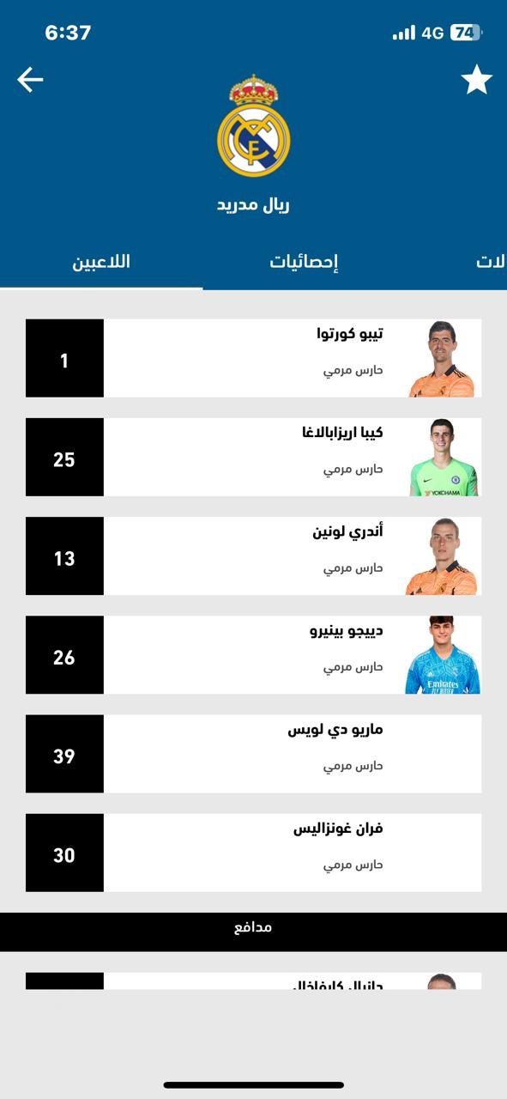
Attchment

TC-02
Bug ID: TC-02
Overview | Bug Name (Title) | Diffrenet match time
 | Bug Reporter | Muhammed Bakr
 | Date/Submitted | 16/2/2024
Prioritization | Bug Severity | Blocker | Critical | Major | Normal | Minor | Trivial
 |  | FALSE | FALSE | TRUE | TRUE | FALSE | FALSE
 | Bug Prioritity | Top | High | Medium | Low | None
 |  | TRUE | TRUE | FALSE | FALSE | FALSE
 | Assigned to | Vodafone
 | Assigned on | GitHub
Details | Steps to reproduce | Step 1 | Step 2 | Step 3 | Step 4 | Step 5 | Step 6 | Step 7 | Step 8
 |  | Open YallaKora application | Tab on your favourite team | Tab on team next match
 | Expected Result | Same match time
 | Observed Result | Diffrenet match time
 | What actions is this bug blocking? | Wrong on match time information
Environment | Platform | iPhone
 | OS | IOS 17.2.1
 | Application | Yalla-Kora

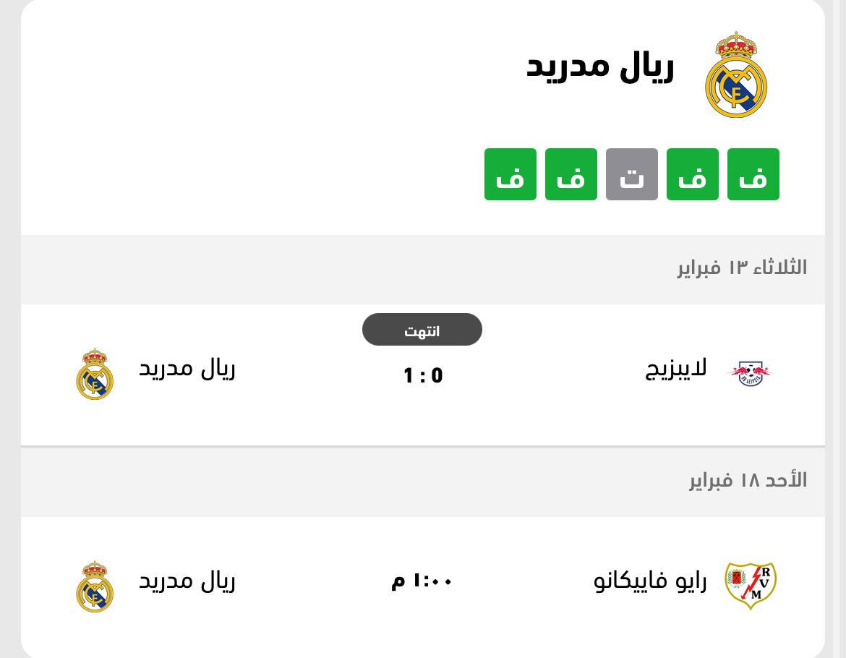

Attchment

TC-03
Bug ID: TC-03
Overview | Bug Name (Title) | Wrong on match Status
 | Bug Reporter | Muhammed Bakr
 | Date/Submitted | 16/2/2024
Prioritization | Bug Severity | Blocker | Critical | Major | Normal | Minor | Trivial
 |  | FALSE | FALSE | TRUE | FALSE | FALSE | FALSE
 | Bug Prioritity | Top | High | Medium | Low | None
 |  | FALSE | TRUE | FALSE | FALSE | FALSE
 | Assigned to | Vodafone
 | Assigned on | GitHub
Details | Steps to reproduce | Step 1 | Step 2 | Step 3 | Step 4 | Step 5 | Step 6 | Step 7 | Step 8
 |  | Open YallaKora application | Tab on main page | Tab on a live match
 | Expected Result | Same match status
 | Observed Result | Diffrenet match status
 | What actions is this bug blocking? | Match status Information
Environment | Platform | iPhone
 | OS | IOS 17.2.1
 | Application | Yalla-Kora

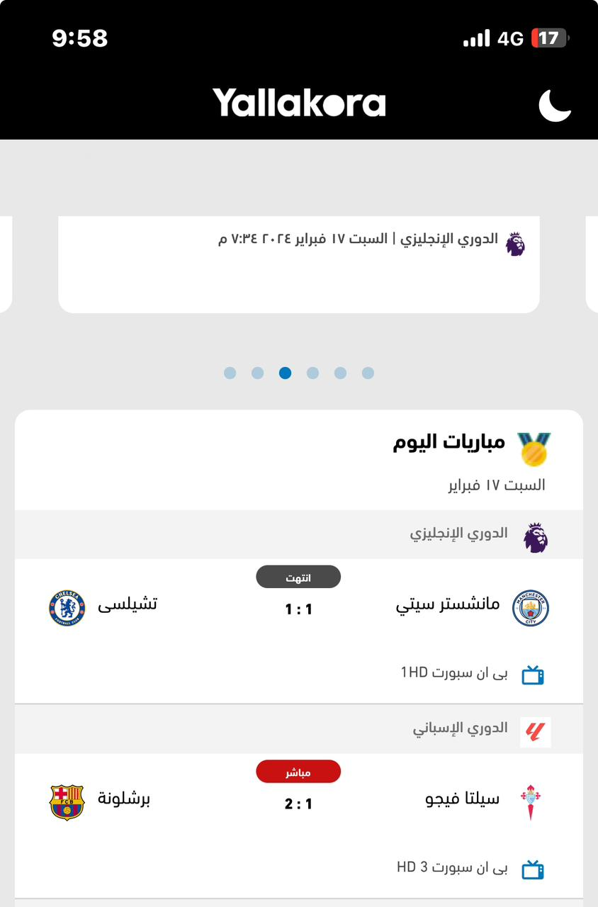
Attchment

 |  | 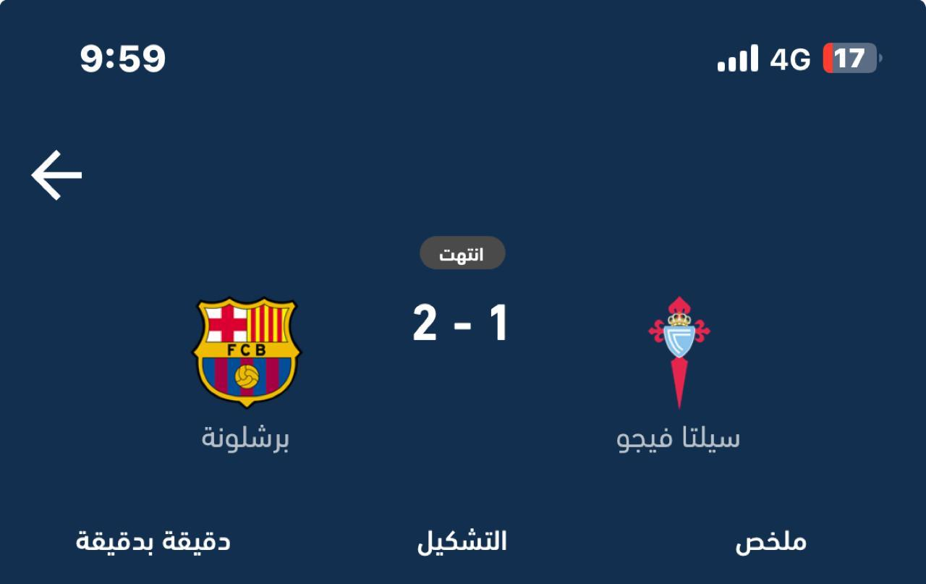

TC-04
Bug ID: TC-04
Overview | Bug Name (Title) | All match summary didn’t appear
 | Bug Reporter | Muhammed Bakr
 | Date/Submitted | 16/2/2024
Prioritization | Bug Severity | Blocker | Critical | Major | Normal | Minor | Trivial
 |  | FALSE | FALSE | TRUE | FALSE | TRUE | FALSE
 | Bug Prioritity | Top | High | Medium | Low | None
 |  | FALSE | FALSE | FALSE | TRUE | FALSE
 | Assigned to | Vodafone
 | Assigned on | GitHub
Details | Steps to reproduce | Step 1 | Step 2 | Step 3 | Step 4 | Step 5 | Step 6 | Step 7 | Step 8
 |  | Open YallaKora application | Tab on your favourite team | Tab on team previous match | Tab on Summary | Tab on any old match for your team b on Summary | Scroll down until match statistic appears
 | Expected Result | All match statistics should appear
 | Observed Result | Some of match statistics didn’t appear
 | What actions is this bug blocking? | Match summary Information
Environment | Platform | iPhone
 | OS | IOS 17.2.1
 | Application | Yalla-Kora

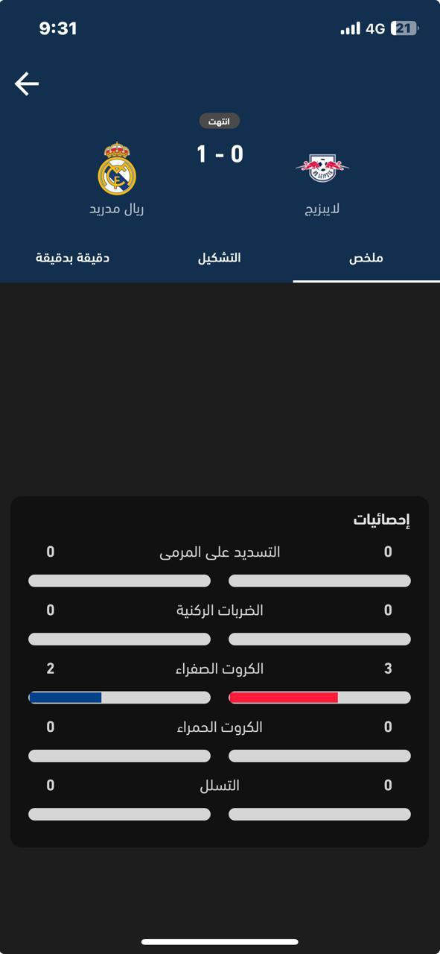
Attchment

TC-06
Bug ID: TC-06
Overview | Bug Name (Title) | Match facts didn’t appear
 | Bug Reporter | Muhammed Bakr
 | Date/Submitted | 16/2/2024
Prioritization | Bug Severity | Blocker | Critical | Major | Normal | Minor | Trivial
 |  | FALSE | FALSE | TRUE | FALSE | FALSE | FALSE
 | Bug Prioritity | Top | High | Medium | Low | None
 |  | TRUE | TRUE | FALSE | FALSE | FALSE
 | Assigned to | Vodafone
 | Assigned on | GitHub
Details | Steps to reproduce | Step 1 | Step 2 | Step 3 | Step 4 | Step 5 | Step 6 | Step 7 | Step 8
 |  | Open YallaKora application | Tab on 'Matches' | Tab on a finished match (Wolves v Tottenham) | tab on Minute by minute
 | Expected Result | All match facts appear
 | Observed Result | No match fatcts
 | What actions is this bug blocking? | Application performance Match information
Environment | Platform | iPhone
 | OS | IOS 17.2.1
 | Application | Yalla-Kora

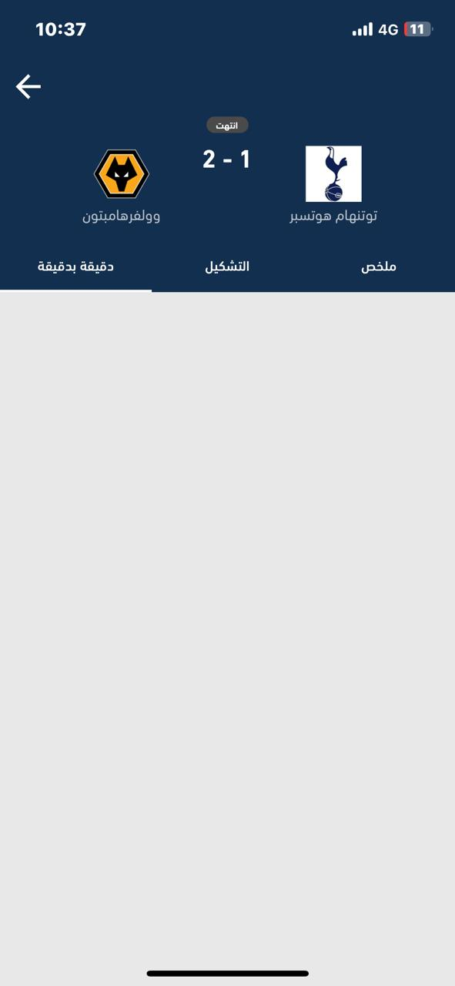
Attchment

